Sheet1
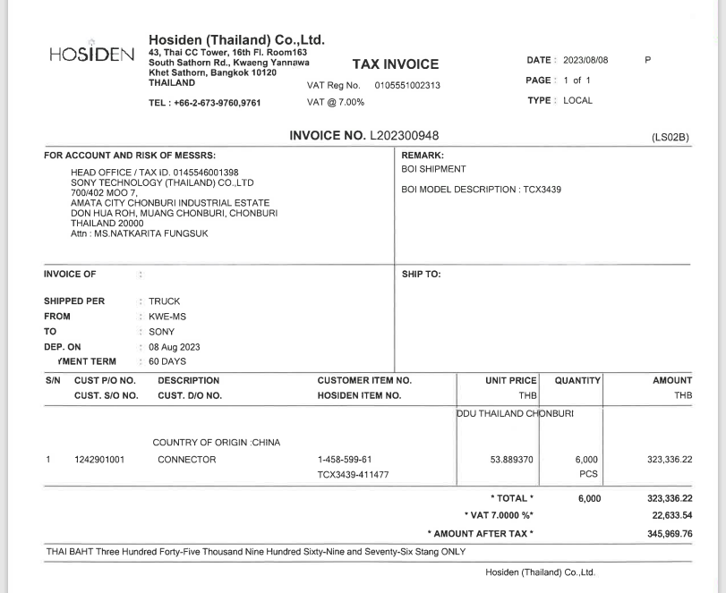

INVOICE _NO

PO_NO
UNIT_PRICE
QTY
AMOUNT
ITEM_NO

